Screenshot Evidence
Test Case ID | Step Description | Input Data | Expected Result | Actual Result | Screenshot
TC_AGE_001 | Enter valid age | Age = 18 | Form accepts input | Form accepted | 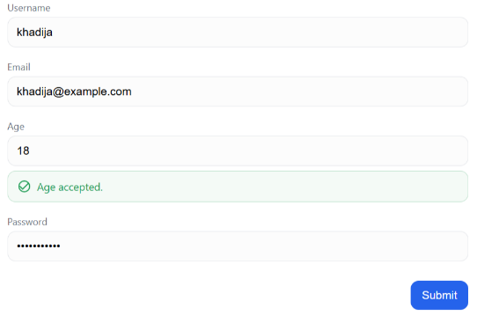
TC_AGE_002 | Enter invalid age | Age = 17 | Error shown | Error shown | 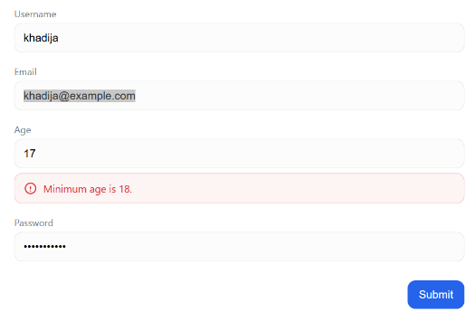
25 years
TC_AGE_003 | Enter invalid age | Age = 25 years | Form accepts input | Form accepted | 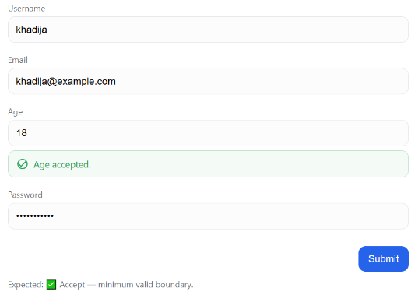
TC_PWD_001 | Enter valid password | Password = Pass1234! | Form accepts password | Accepted | 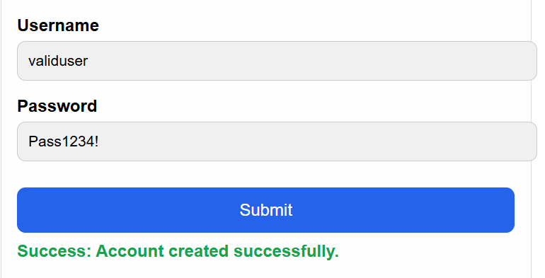
TC_PWD_002 | Enter short password | Password = 123 | Form accepts password | Accepted | 